Pulse duration calculator
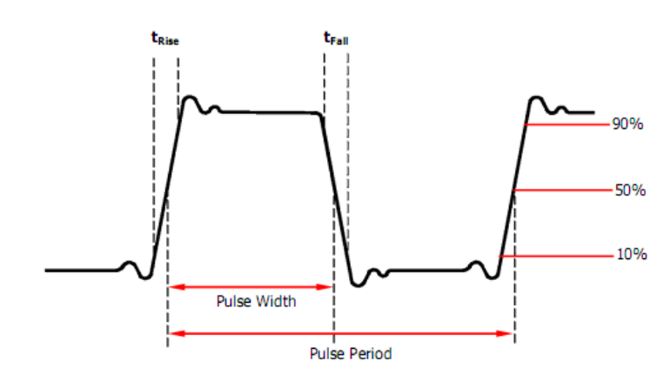
Desired
rising edge [ms] | falling edge [ms] | flat duration [ms] | flat peak voltage [V]
0.03 | 0.03 | 0.0625 | 0.45

Generator input
rising edge | falling edge | pulse duration | flat peak voltage [V]
0.024 | 0.024 | 0.0925 | 0.45

 |  |  |  | Rise edge time is defined as the duration of the pulse amplitude rising from 10% to 90% threshold, while fall edge time is defined as duration of the pulse amplitude moving down from 90% to 10% threshold.
 |  |  |  | Pulse width is defined as the time from the 50% threshold of a rising edge amplitude to the 50% threshold of the next falling edge amplitude

